Sheet1
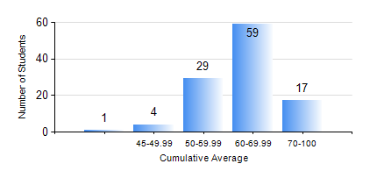
 |  |  | KWAME NKRUMAH UNIVERSITY OF SCIENCE AND TECHNOLOGY, KUMASI Department of Geological Engineering

 |  |  | BSC. GEOLOGICAL ENG.

 |  |  | COMPREHENSIVE RECORD OF EXAMINATION RESULTS

 |  |  | RESULTS OF YEAR 4 SECOND SEMESTER, 2020/2021 ACADEMIC YEAR

 | Sn | Course Code |  | Course Name | Credit Hours | Min. Mark | Max. Mark | Avg. Mark | Std. Dev. | No. Passed | No. Trailed | No. (Df) | No. (I) | No. (I*) | No. Tagged(I,I*,Df) | Total
 | 1. | CE 478 |  | GROUND ENGINEERING | 3 | 50 | 71 | 62 | 8.6 | 9 | 0 | 0 | 0 | 0 | 0 | 9
 | 2. | GED 452 |  | ADVANCED ENGINEERING GEOLOGY | 2 | 40 | 93 | 63 | 12.34 | 110 | 0 | 0 | 0 | 0 | 0 | 110
 | 3. | GED 454 |  | ENVIRONMENTAL GEOLOGY | 2 | 47 | 88 | 70 | 8.65 | 110 | 0 | 0 | 0 | 0 | 0 | 110
 | 4. | GED 458 |  | PROJECT II | 3 | 51 | 87 | 76 | 6.2 | 110 | 0 | 0 | 0 | 0 | 0 | 110
 | 5. | GED 462 |  | ECONOMIC GEOLOGY | 3 | 41 | 87 | 60 | 10.6 | 110 | 0 | 0 | 0 | 0 | 0 | 110
 | 6. | GED 464 |  | ENGINEERING MANAGEMENT | 2 | 40 | 79 | 63 | 9.44 | 110 | 0 | 0 | 0 | 0 | 0 | 110
 | 7. | GED 466 |  | PETROLEUM GEOLOGY | 3 | 45 | 94 | 74 | 11.39 | 96 | 0 | 0 | 0 | 0 | 0 | 96
 | 8. | GED 468 |  | GEOSTATISTICS | 3 | 51 | 73 | 61 | 7.64 | 12 | 0 | 0 | 0 | 0 | 0 | 12
 | 9. | GED 476 |  | GROUNDWATER DEVELOPMENT | 3 | 32 | 77 | 54 | 10.45 | 103 | 7 | 0 | 0 | 0 | 0 | 110

